Photos
Photos | Colour Style Code | Category | Gender | QTY | RRP | PB Price
 | HM470491_581 | Waistcoats | Men | 96 | 279.00 € | 279.00 €
 | HM443166_9OA | Jackets | Men | 54 | 590.00 € | 590.00 €
 | HM470491_987 | Waistcoats | Men | 50 | 279.00 € | 279.00 €
 | HM212606_800 | Jeans | Men | 42 | 159.00 € | 159.00 €
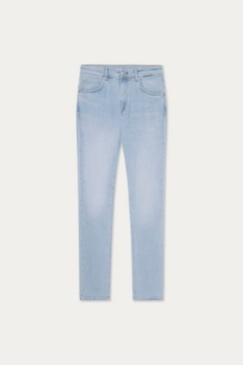 | HM212599_5FI | Jeans | Men | 40 | 149.00 € | 149.00 €
 | HM212430_595 | Trousers | Men | 37 | 180.00 € | 180.00 €
 | HM212549_595 | Trousers | Men | 36 | 239.00 € | 239.00 €
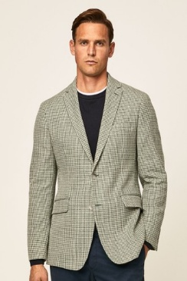 | HM443165R_6HP | Blazers | Men | 35 | 490.00 € | 490.00 €
 | HM443382R_551 | Blazers | Men | 35 | 549.00 € | 549.00 €
 | HM703112_420 | Knitwear | Men | 32 | 140.00 € | 140.00 €
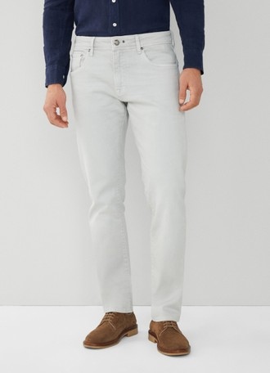 | HM212564_945 | Jeans | Men | 31 | 149.00 € | 149.00 €
 | HM212405_5SE | Trousers | Men | 30 | 140.00 € | 140.00 €
 | HM212405_6DW | Trousers | Men | 26 | 140.00 € | 140.00 €
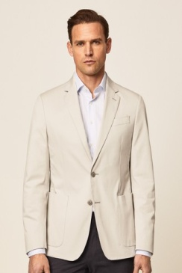 | HM443160R_955 | Blazers | Men | 25 | 390.00 € | 390.00 €
 | HM443160R_675 | Blazers | Men | 25 | 390.00 € | 390.00 €
 | HMB10045_551 | Swimwear | Men | 24 | 130.00 € | 130.00 €
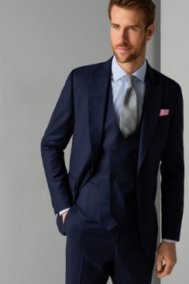 | HM470503_5CR | Waistcoats | Men | 24 | 279.00 € | 279.00 €
 | HM443218_800 | Jackets | Men | 23 | 390.00 € | 390.00 €
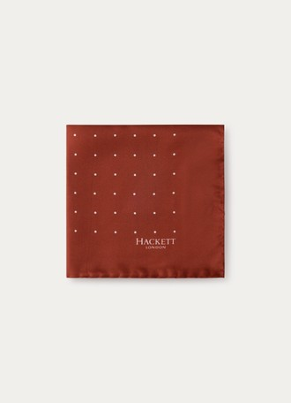 | HM012490_1BD | Accessories | Men | 22 | 50.00 € | 50.00 €
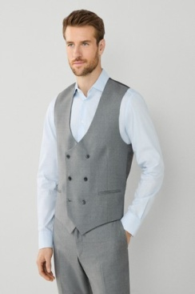 | HM470503_9GY | Waistcoats | Men | 22 | 279.00 € | 279.00 €
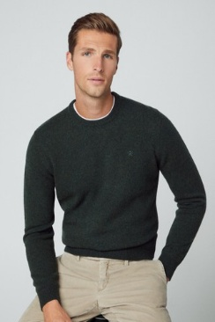 | HM703019_675 | Knitwear | Men | 22 | 139.00 € | 139.00 €
 | HM212186_8HW | Trousers | Men | 21 | 140.00 € | 140.00 €
 | HM212477L_315 | Trousers | Men | 21 | 145.00 € | 145.00 €
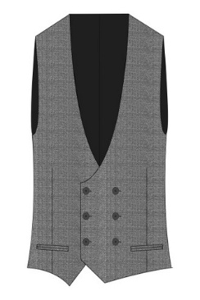 | HM470503_5MA | Waistcoats | Men | 19 | 279.00 € | 279.00 €
 | HM212405_043 | Trousers | Men | 19 | 140.00 € | 140.00 €
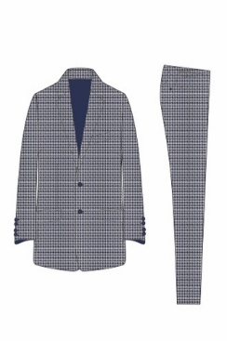 | HM423073R_9HF | Suits | Men | 19 | 950.00 € | 950.00 €
 | HM423179R_595 | Suits | Men | 19 | 799.00 € | 799.00 €
 | HM443193R_501 | Blazers | Men | 18 | 750.00 € | 750.00 €
 | HM581213_8LQ | Trousers | Men | 18 | 135.00 € | 135.00 €
 | HM212407_5MP | Trousers | Men | 18 | 140.00 € | 140.00 €
 | HM212429_621 | Trousers | Men | 17 | 160.00 € | 160.00 €
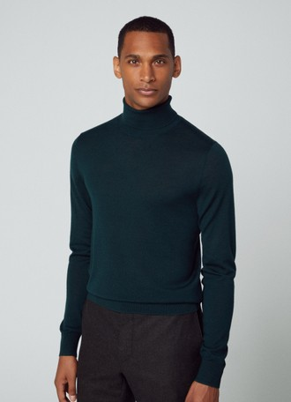 | HM703034_675 | Knitwear | Men | 17 | 199.00 € | 199.00 €
 | HML10398_987 | Accessories | Men | 16 | 25.00 € | 25.00 €
 | HM443339_665 | Jackets | Men | 15 | 529.00 € | 529.00 €
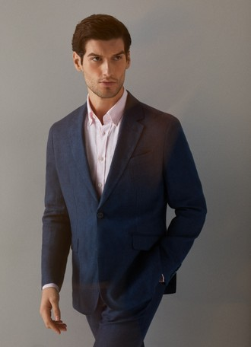 | HM443317_595 | Jackets | Men | 15 | 549.00 € | 549.00 €
 | HM443366_325 | Jackets | Men | 15 | 649.00 € | 649.00 €
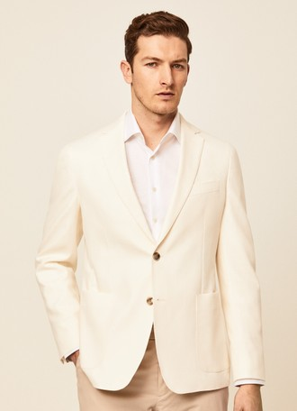 | HM443218R_800 | Blazers | Men | 15 | 390.00 € | 390.00 €
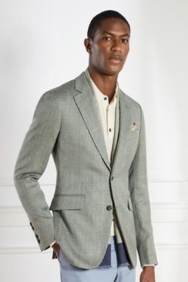 | HM443193R_905 | Blazers | Men | 14 | 750.00 € | 750.00 €
 | HM702845_9HO | Knitwear | Men | 14 | 180.00 € | 180.00 €
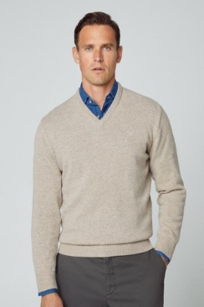 | HM703024_869 | Knitwear | Men | 14 | 139.00 € | 139.00 €
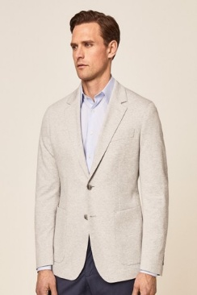 | HM443164R_905 | Blazers | Men | 14 | 590.00 € | 590.00 €
 | HM212407_800 | Trousers | Men | 13 | 140.00 € | 140.00 €
 | HM212435_8AF | Trousers | Men | 13 | 210.00 € | 210.00 €
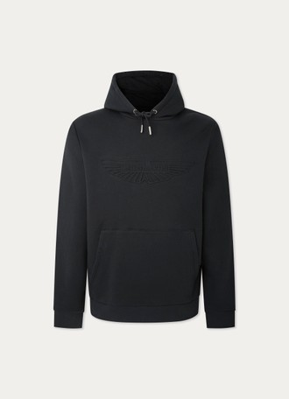 | HM581203_999 | Hoodies | Men | 13 | 169.00 € | 169.00 €
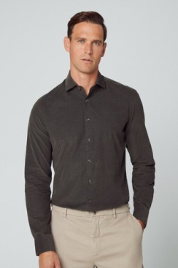 | HM309663_768 | Shirts | Men | 13 | 139.00 € | 139.00 €
 | HM450599R_490 | Waistcoats | Men | 13 | 249.00 € | 249.00 €
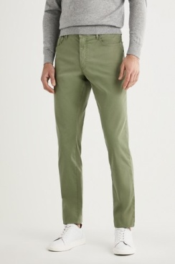 | HM212281_6FT | Trousers | Men | 12 | 140.00 € | 140.00 €
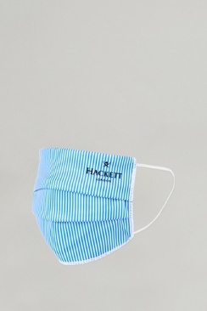 | HM012308_595 | Masks & Masks Filter | Men | 12 | 10.00 € | 10.00 €
 | HM212428_869 | Trousers | Men | 12 | 160.00 € | 160.00 €
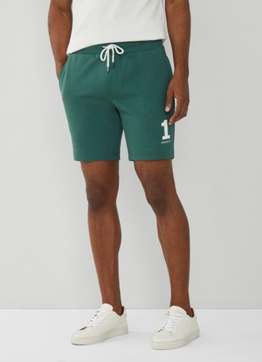 | HM581234_665 | Shorts | Men | 12 | 129.00 € | 129.00 €
 | HM580957_5EZ | Blouses | Men | 12 | 110.00 € | 110.00 €
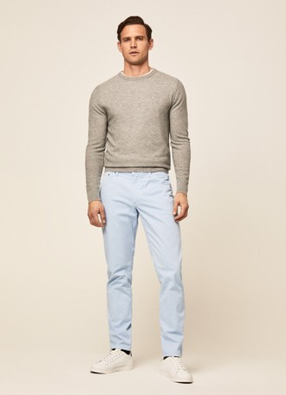 | HM212407R_5MP | Trousers | Men | 12 | 140.00 € | 140.00 €
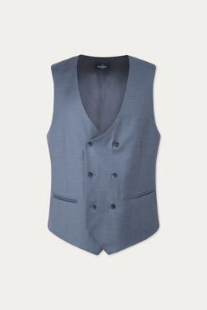 | HM470454_531 | Waistcoats | Men | 11 | 280.00 € | 280.00 €
 | HM212187_8HW | Trousers | Men | 11 | 140.00 € | 140.00 €
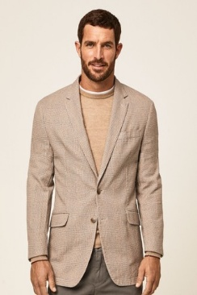 | HM443146R_951 | Blazers | Men | 11 | 450.00 € | 450.00 €
 | HM212550_905 | Trousers | Men | 10 | 249.00 € | 249.00 €
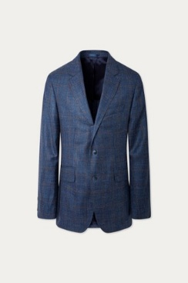 | HM443309_5QD | Jackets | Men | 10 | 619.00 € | 619.00 €
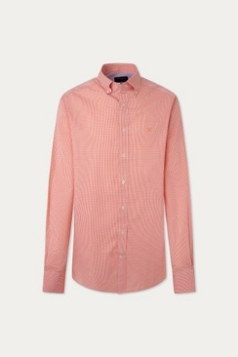 | HM309774_135 | Shirts | Men | 10 | 119.00 € | 119.00 €
 | HM212605_026 | Trousers | Men | 10 | 159.00 € | 159.00 €
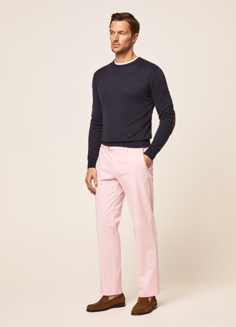 | HM212406R_315 | Trousers | Men | 10 | 140.00 € | 140.00 €
 | HM212291_6FT | Trousers | Men | 10 | 130.00 € | 130.00 €
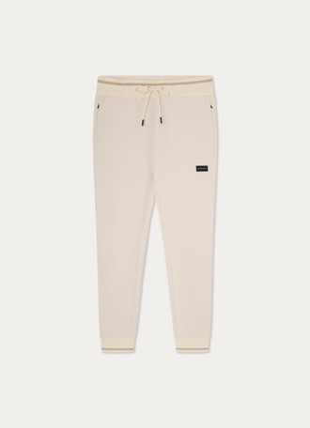 | HM581209_8KW | Trousers | Men | 10 | 169.00 € | 169.00 €
 | HM801258_6EP | Shorts | Men | 10 | 100.00 € | 100.00 €
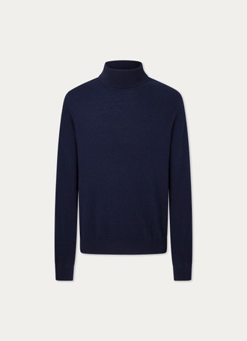 | HM703030_595 | Knitwear | Men | 10 | 199.00 € | 199.00 €
 | HML10410_9IJ | Sunglasses | Men | 10 | 124.00 € | 124.00 €
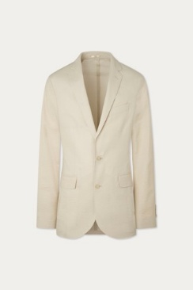 | HM443185R_844 | Blazers | Men | 10 | 450.00 € | 450.00 €
 | HM581211_595 | Blouses | Men | 9 | 135.00 € | 135.00 €
 | HM443317_8HO | Jackets | Men | 9 | 549.00 € | 549.00 €
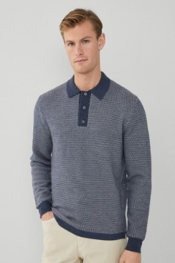 | HM703103_548 | Knitwear | Men | 9 | 239.00 € | 239.00 €
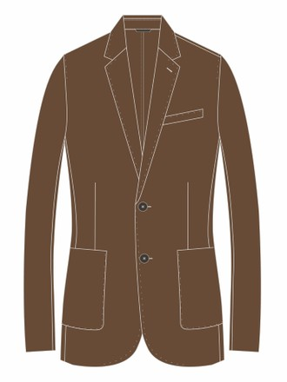 | HM443206R_859 | Blazers | Men | 9 | 650.00 € | 650.00 €
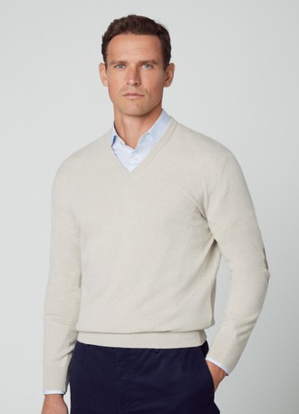 | HM703031_814 | Knitwear | Men | 9 | 189.00 € | 189.00 €
 | HM212549_951 | Trousers | Men | 9 | 239.00 € | 239.00 €
 | HM212476L_5MI | Trousers | Men | 9 | 145.00 € | 145.00 €
 | HML10409_0BF | Sunglasses | Men | 9 | 152.00 € | 152.00 €
 | HM581165_803 | Blouses | Men | 8 | 129.00 € | 129.00 €
 | HM443164_905 | Jackets | Men | 8 | 590.00 € | 590.00 €
 | HM470178_925 | Blazers | Men | 8 | 425.00 € | 425.00 €
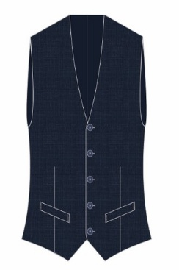 | HM470457R_581 | Waistcoats | Men | 8 | 290.00 € | 290.00 €
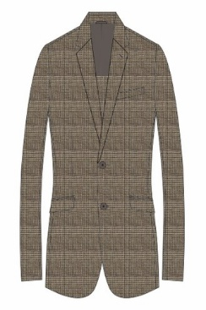 | HM443194R_859 | Blazers | Men | 8 | 750.00 € | 750.00 €
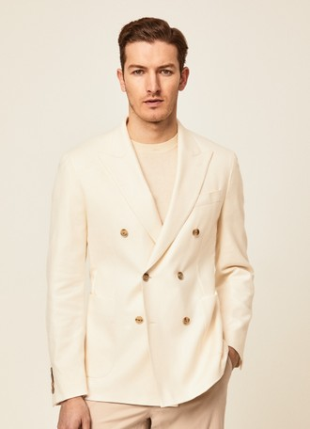 | HM443171R_800 | Blazers | Men | 8 | 450.00 € | 450.00 €
 | HM212407_955 | Trousers | Men | 8 | 140.00 € | 140.00 €
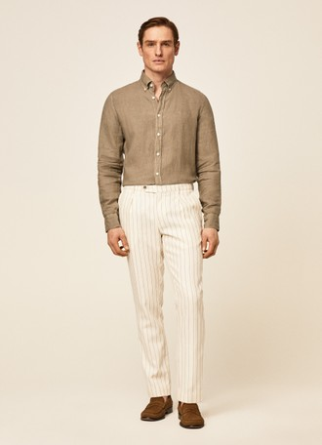 | HM212435L_8AF | Trousers | Men | 8 | 210.00 € | 210.00 €
 | HM470414_551 | Waistcoats | Men | 8 | 245.00 € | 245.00 €
 | HM403077_945 | Vests | Men | 8 | 359.00 € | 359.00 €
 | HM443317_951 | Jackets | Men | 8 | 549.00 € | 549.00 €
 | HM212445R_6EP | Trousers | Men | 8 | 230.00 € | 230.00 €
 | HM212477_5KB | Trousers | Men | 8 | 145.00 € | 145.00 €
 | HM703055_899 | Knitwear | Men | 7 | 499.00 € | 499.00 €
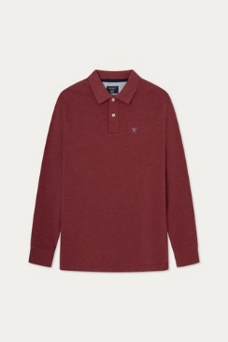 | HM550956_218 | Blouses | Men | 7 | 109.00 € | 109.00 €
 | HM212620_5IA | Trousers | Men | 7 | 169.00 € | 169.00 €
 | HM212613_905 | Trousers | Men | 7 | 145.00 € | 145.00 €
 | HML10412_999 | Sunglasses | Men | 7 | 118.00 € | 118.00 €
 | HM470312_595 | Trousers | Men | 7 | 250.00 € | 250.00 €
 | HM012485_951 | Accessories | Men | 7 | 45.00 € | 45.00 €
 | HM470414_945 | Waistcoats | Men | 7 | 245.00 € | 245.00 €
 | HM212437_595 | Trousers | Men | 7 | 130.00 € | 130.00 €
 | HM703167_315 | Knitwear | Men | 7 | 129.00 € | 129.00 €
 | HM212477_800 | Trousers | Men | 7 | 145.00 € | 145.00 €
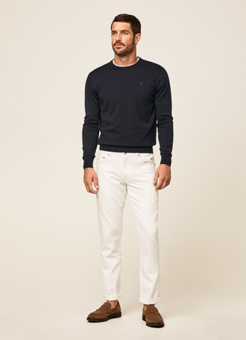 | HM212433R_800 | Trousers | Men | 7 | 150.00 € | 150.00 €
 | HM212406_315 | Trousers | Men | 7 | 140.00 € | 140.00 €
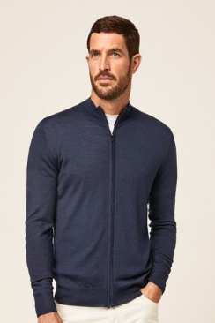 | HM702928_595 | Knitwear | Men | 6 | 210.00 € | 210.00 €
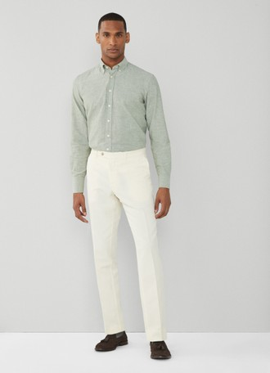 | HM212586R_810 | Trousers | Men | 6 | 169.00 € | 169.00 €
 | HM703110_951 | Knitwear | Men | 6 | 299.00 € | 299.00 €
 | HM703028_563 | Knitwear | Men | 6 | 189.00 € | 189.00 €
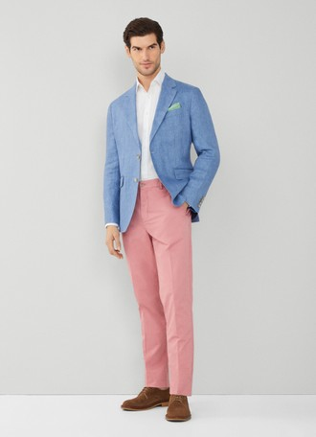 | HM212619R_323 | Trousers | Men | 6 | 145.00 € | 145.00 €
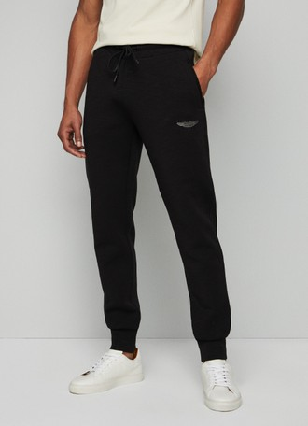 | HM581205_999 | Trousers | Men | 6 | 179.00 € | 179.00 €
 | HM042478_514 | Caps | Men | 6 | 55.00 € | 55.00 €
 | HM212586_5IA | Trousers | Men | 6 | 169.00 € | 169.00 €
 | HM450599R_135 | Waistcoats | Men | 6 | 249.00 € | 249.00 €
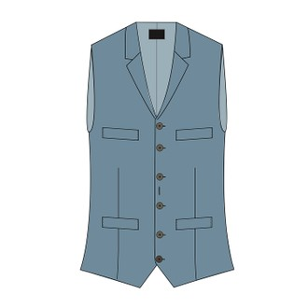 | HM450414R_551 | Waistcoats | Men | 6 | 245.00 € | 245.00 €
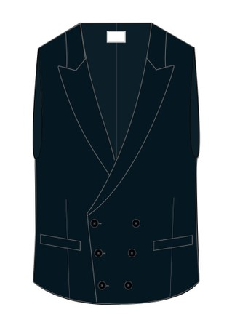 | HM450556R_514 | Waistcoats | Men | 6 | 249.00 € | 249.00 €
 | HM703028_814 | Knitwear | Men | 6 | 189.00 € | 189.00 €
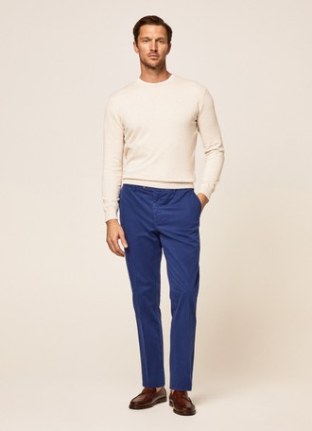 | HM212406R_5SE | Trousers | Men | 6 | 140.00 € | 140.00 €
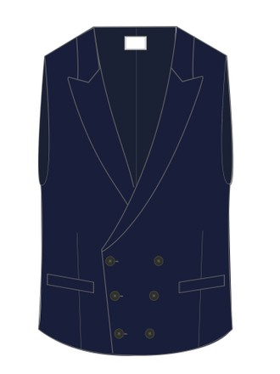 | HM450556R_502 | Waistcoats | Men | 6 | 249.00 € | 249.00 €
 | HM703023_262 | Knitwear | Men | 6 | 169.00 € | 169.00 €
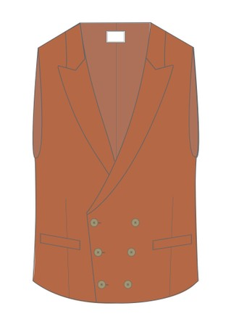 | HM450556R_121 | Waistcoats | Men | 6 | 249.00 € | 249.00 €
 | HM212293_9LS | Trousers | Men | 6 | 160.00 € | 160.00 €
 | HM212461R_595 | Trousers | Men | 6 | 210.00 € | 210.00 €
 | HM581166_551 | Blouses | Men | 6 | 119.00 € | 119.00 €
 | HM212476R_8HO | Trousers | Men | 6 | 145.00 € | 145.00 €
 | HM212617_5IT | Jeans | Men | 6 | 175.00 € | 175.00 €
 | HM470074_987 | Blazers | Men | 6 | 499.00 € | 499.00 €
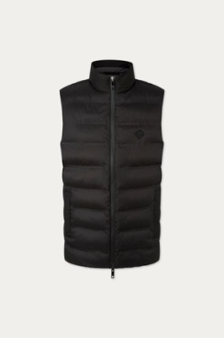 | HM403015_999 | Vests | Men | 6 | 220.00 € | 220.00 €
 | HM470454_925 | Waistcoats | Men | 6 | 280.00 € | 280.00 €
 | HM403016_595 | Jackets | Men | 6 | 320.00 € | 320.00 €
 | HM212586_703 | Trousers | Men | 5 | 169.00 € | 169.00 €
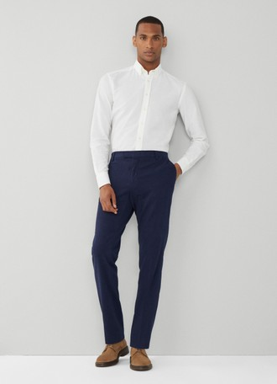 | HM212551_595 | Trousers | Men | 5 | 209.00 € | 209.00 €
 | HM403089_198 | Vests | Men | 5 | 189.00 € | 189.00 €
 | HM212430_905 | Trousers | Men | 5 | 180.00 € | 180.00 €
 | HM042469_6A6 | Scarves | Men | 5 | 99.00 € | 99.00 €
 | HM470517_951 | Blazers | Men | 5 | 549.00 € | 549.00 €
 | HM212605_5RS | Trousers | Men | 5 | 159.00 € | 159.00 €
 | HM212604_8HO | Trousers | Men | 5 | 229.00 € | 229.00 €
 | HM212405_5MP | Trousers | Men | 5 | 140.00 € | 140.00 €
 | HM702920_502 | Knitwear | Men | 5 | 140.00 € | 140.00 €
 | HM443317_537 | Jackets | Men | 5 | 549.00 € | 549.00 €
 | HM212488_810 | Trousers | Men | 5 | 149.00 € | 149.00 €
 | HM443317_043 | Jackets | Men | 5 | 549.00 € | 549.00 €
 | HM581017_8MN | Sweatshirts | Men | 5 | 130.00 € | 130.00 €
 | HM580877_913 | Blouses | Men | 5 | 100.00 € | 100.00 €
 | HM702909_836 | Knitwear | Men | 5 | 170.00 € | 170.00 €
 | HM212444R_836 | Trousers | Men | 5 | 250.00 € | 250.00 €
 | HM422105_945 | Suits | Men | 5 | 750.00 € | 750.00 €
 | HM212502_791 | Trousers | Men | 5 | 169.00 € | 169.00 €
 | HM212185_8HW | Trousers | Men | 5 | 140.00 € | 140.00 €
 | HM470075_5CR | Trousers | Men | 5 | 235.00 € | 235.00 €
 | HM211792X_8HW | Trousers | Men | 5 | 160.00 € | 160.00 €
 | HM581166_999 | Blouses | Men | 5 | 119.00 € | 119.00 €
 | HM212539_5RS | Trousers | Men | 5 | 159.00 € | 159.00 €
 | HM212489_810 | Trousers | Men | 5 | 169.00 € | 169.00 €
 | HM212405R_5SE | Trousers | Men | 5 | 140.00 € | 140.00 €
 | HM703083_670 | Knitwear | Men | 5 | 145.00 € | 145.00 €
 | HM703083_805 | Knitwear | Men | 5 | 145.00 € | 145.00 €
 | HM212421L_515 | Trousers | Men | 5 | 150.00 € | 150.00 €
 | HM703019_6DD | Knitwear | Men | 5 | 139.00 € | 139.00 €
 | HM402930_914 | Jackets | Men | 5 | 350.00 € | 350.00 €
 | HM801319_5MI | Shorts | Men | 5 | 119.00 € | 119.00 €
 | HM212406_6DW | Trousers | Men | 5 | 140.00 € | 140.00 €
 | HM309951_665 | Shirts | Men | 5 | 229.00 € | 229.00 €
 | HM212445R_551 | Trousers | Men | 5 | 230.00 € | 230.00 €
 | HM703165_315 | Knitwear | Men | 5 | 129.00 € | 129.00 €
 | HM443383L_844 | Blazers | Men | 5 | 549.00 € | 549.00 €
 | HM563298_640 | T-shirts | Men | 5 | 129.00 € | 129.00 €
 | HM563226_595 | T-shirts | Men | 5 | 119.00 € | 119.00 €
 | HM212477_8HO | Trousers | Men | 5 | 145.00 € | 145.00 €
 | HM581116_6DY | Sweatshirts | Men | 5 | 160.00 € | 160.00 €
 | HM212473_869 | Trousers | Men | 5 | 160.00 € | 160.00 €
 | HM470472_5CR | Blazers | Men | 5 | 499.00 € | 499.00 €
 | HM703082_136 | Knitwear | Men | 4 | 145.00 € | 145.00 €
 | HM570824_933 | Blouses | Men | 4 | 169.00 € | 169.00 €
 | HM212492_951 | Trousers | Men | 4 | 169.00 € | 169.00 €
 | HM703084_218 | Knitwear | Men | 4 | 165.00 € | 165.00 €
 | HM402895_299 | Vests | Men | 4 | 225.00 € | 225.00 €
 | HM212411_987 | Trousers | Men | 4 | 210.00 € | 210.00 €
 | HM550899_987 | Blouses | Men | 4 | 110.00 € | 110.00 €
 | HM703082_595 | Knitwear | Men | 4 | 145.00 € | 145.00 €
 | HM309653_8AS | Shirts | Men | 4 | 149.00 € | 149.00 €
 | HM470517_564 | Blazers | Men | 4 | 549.00 € | 549.00 €
 | HM212065R_5MK | Trousers | Men | 4 | 130.00 € | 130.00 €
 | HM212594_810 | Trousers | Men | 4 | 159.00 € | 159.00 €
 | HM212405_7CD | Trousers | Men | 4 | 140.00 € | 140.00 €
 | HM500782_999 | T-shirts | Men | 4 | 99.00 € | 99.00 €
 | HM212318_595 | Trousers | Men | 4 | 250.00 € | 250.00 €
 | HM212414R_8HV | Trousers | Men | 4 | 160.00 € | 160.00 €
 | HM053567_987 | Accessories | Men | 4 | 75.00 € | 75.00 €
 | HM212413_987 | Trousers | Men | 4 | 160.00 € | 160.00 €
 | HM470313_999 | Waistcoats | Men | 4 | 275.00 € | 275.00 €
 | HM212408R_951 | Trousers | Men | 4 | 150.00 € | 150.00 €
 | HM212101L_847 | Trousers | Men | 4 | 120.00 € | 120.00 €
 | HM212405_135 | Trousers | Men | 4 | 140.00 € | 140.00 €
 | HM212406R_043 | Trousers | Men | 4 | 140.00 € | 140.00 €
 | HM212405_800 | Trousers | Men | 4 | 140.00 € | 140.00 €
 | HM450415R_821 | Waistcoats | Men | 4 | 245.00 € | 245.00 €
 | HM450414R_821 | Waistcoats | Men | 4 | 245.00 € | 245.00 €
 | HM212408R_955 | Trousers | Men | 4 | 150.00 € | 150.00 €
 | HM212185_595 | Trousers | Men | 4 | 140.00 € | 140.00 €
 | HM212476R_5KB | Trousers | Men | 4 | 145.00 € | 145.00 €
 | HM212445R_814 | Trousers | Men | 4 | 230.00 € | 230.00 €
 | HM450597_5CW | Trousers | Men | 4 | 279.00 € | 279.00 €
 | HM402782_595 | Jackets | Men | 4 | 270.00 € | 270.00 €
 | HM212478R_5KB | Trousers | Men | 4 | 145.00 € | 145.00 €
 | HM212476L_515 | Trousers | Men | 4 | 145.00 € | 145.00 €
 | HM470515_9GY | Waistcoats | Men | 4 | 279.00 € | 279.00 €
 | HM470467R_765 | Blazers | Men | 4 | 590.00 € | 590.00 €
 | HM212491_810 | Trousers | Men | 4 | 149.00 € | 149.00 €
 | HM309826_6AK | Shirts | Men | 4 | 139.00 € | 139.00 €
 | HM422916_9EH | Suits | Men | 4 | 675.00 € | 675.00 €
 | HM470473_5CR | Trousers | Men | 4 | 235.00 € | 235.00 €
 | HM309358_9BI | Shirts | Men | 4 | 130.00 € | 130.00 €
 | HM703083_218 | Knitwear | Men | 4 | 145.00 € | 145.00 €
 | HML10340_665 | Sunglasses | Men | 4 | 110.00 € | 110.00 €
 | HM470517L_564 | Blazers | Men | 4 | 549.00 € | 549.00 €
 | HM012490_5DJ | Accessories | Men | 4 | 50.00 € | 50.00 €
 | HM212488_8HO | Trousers | Men | 4 | 149.00 € | 149.00 €
 | HM212606R_800 | Trousers | Men | 4 | 159.00 € | 159.00 €
 | HM801305_5RS | Shorts | Men | 4 | 150.00 € | 150.00 €
 | HM212204R_019 | Trousers | Men | 4 | 130.00 € | 130.00 €
 | HM703083_640 | Knitwear | Men | 4 | 145.00 € | 145.00 €
 | HM053515_551 | Accessories | Men | 4 | 150.00 € | 150.00 €
 | HM470517L_325 | Blazers | Men | 4 | 549.00 € | 549.00 €
 | HM212519_945 | Jeans | Men | 3 | 159.00 € | 159.00 €
 | HM042485_5DI | Hats | Men | 3 | 75.00 € | 75.00 €
 | HM443048_551 | Jackets | Men | 3 | 545.00 € | 545.00 €
 | HM423178_595 | Suits | Men | 3 | 799.00 € | 799.00 €
 | HM500806_595 | T-shirts | Men | 3 | 89.00 € | 89.00 €
 | HM402997_905 | Jackets | Men | 3 | 599.00 € | 599.00 €
 | HM403006_595 | Jackets | Men | 3 | 449.00 € | 449.00 €
 | HM423181L_951 | Suits | Men | 3 | 799.00 € | 799.00 €
 | HM443339_951 | Jackets | Men | 3 | 529.00 € | 529.00 €
 | HM212086_000 | Trousers | Men | 3 | 140.00 € | 140.00 €
 | HM413476_595 | Bags & Backpacks | Men | 3 | 99.00 € | 99.00 €
 | HM443339_595 | Jackets | Men | 3 | 529.00 € | 529.00 €
 | HM443260_8LG | Jackets | Men | 3 | 549.00 € | 549.00 €
 | HM702950_836 | Knitwear | Men | 3 | 330.00 € | 330.00 €
 | HM470178_5CR | Blazers | Men | 3 | 425.00 € | 425.00 €
 | HM703024_595 | Knitwear | Men | 3 | 139.00 € | 139.00 €
 | HM443317_564 | Jackets | Men | 3 | 549.00 € | 549.00 €
 | HM443197R_5IT | Blazers | Men | 3 | 750.00 € | 750.00 €
 | HM581167_595 | Blouses | Men | 3 | 199.00 € | 199.00 €
 | HM470517L_595 | Blazers | Men | 3 | 549.00 € | 549.00 €
 | HM443195R_621 | Blazers | Men | 3 | 750.00 € | 750.00 €
...

